Instructions
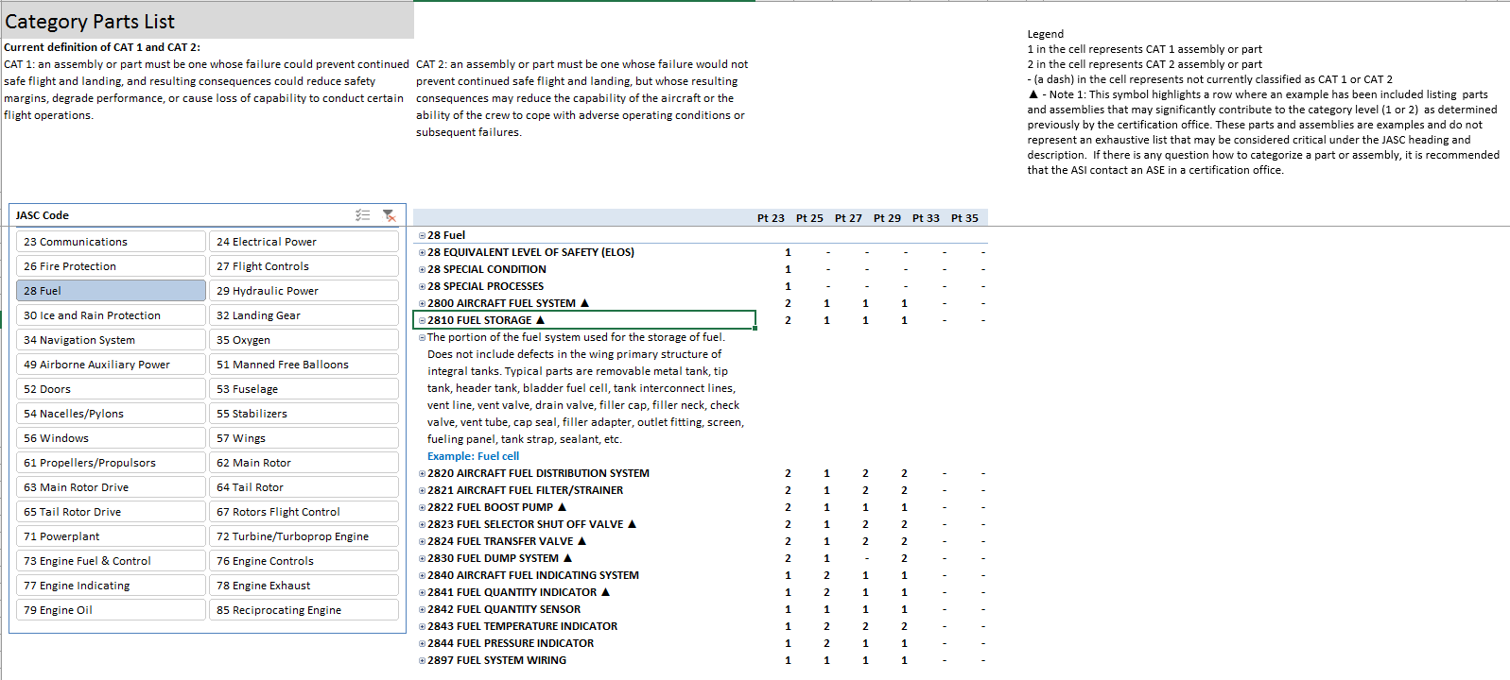

Columns Represent CFR Parts 23, 25, 27, 29, 33, 35

Step 2. Find the 4 digit JASC code row

LEGEND

Step 3. Find the number in the row (JASC code) and column (CFR Part) to determine the category:
1 = Category 1
2 = Category 2
- ( a dash) = not currently classified as CAT 1 or CAT 2
Example shows:
JASC Code 2810 Fuel Storage CFR Part 25 as Category 1

Step 1. Select 2-digit JASC Code Button
corresponding list is displayed on the right.

(Optional) Step 4.
Click on the "+" left of the 4 digits OR double click JASC code row to expand the row to show the corresponding descriptions
Click on the "-" left of the 4 digits OR double click an expanded JASC code to collapse the row.

▲ - This symbol highlights a row where an example has been included listing parts and assemblies that may significantly contribute to the category level (1 or 2).

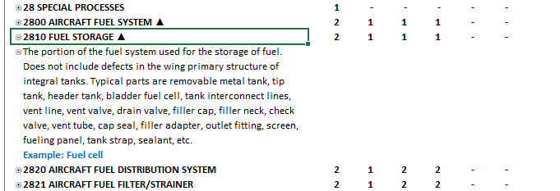

JASC Code Description
This row provides a description of parts or assemblies that may be contained within the JASC code grouping.
Not all parts or assemblies listed in the description significantly contribute to the category level determination.
If there is any question how to categorize a part or system, it is recommended that the ASI contact an ASE in a certification office.

Examples significant to category level determintation
This row (highlighted in blue) provides an example of a part or assembly that has been previously determined to significantly contribute to the category level from the parts or assemblies listed in the description.
 The parts and assemblies do not represent an exhaustive list. If there is any question how to categorize a part or assembly, it is recommended that the ASI contact an ASE in a certification office.

CPL
Legend
1 in the cell represents CAT 1 assembly or part
2 in the cell represents CAT 2 assembly or part
- (a dash) in the cell represents not currently classified as CAT 1 or CAT 2
▲ - Note 1: This symbol highlights a row where an example has been included listing parts and assemblies that may significantly contribute to the category level (1 or 2) as determined previously by the certification office. These parts and assemblies are examples and do not represent an exhaustive list that may be considered critical under the JASC heading and description. If there is any question how to categorize a part or assembly, it is recommended that the ASI contact an ASE in a certification office.
** Note 2: The category and criticality for a part remains unaffected by the manufacturing or fabrication method, including special processes. Special processes will maintain the same category or critical determination for affected parts across 14 CFR parts 23, 25, 27, 29, 33 and 35.
Category Parts List
Current definition of CAT 1 and CAT 2: CAT 1: an assembly or part must be one whose failure could prevent continued safe flight and landing, and resulting consequences could reduce safety margins, degrade performance, or cause loss of capability to conduct certain flight operations. | CAT 2: an assembly or part must be one whose failure would not prevent continued safe flight and landing, but whose resulting consequences may reduce the capability of the aircraft or the ability of the crew to cope with adverse operating conditions or subsequent failures.

 |  | Pt 23 | Pt 25 | Pt 27 | Pt 29 | Pt 33 | Pt 35
 | 85 Reciprocating Engine | 1 | 1 | 1 | 1 | 1 | -
 | 85 EQUIVALENT LEVEL OF SAFETY (ELOS) | 1 | - | - | - | - | -
 | 85 SPECIAL CONDITION | 1 | - | - | - | - | -
 | 85 SPECIAL PROCESSES** | - | - | - | - | - | -
 | The category and criticality for a part remains unaffected by the manufacturing or fabrication method, including special processes. For example, a category 2 part requiring a special manufacturing process to meet specifications, will retain its category 2 level.
 |  | - | - | - | - | - | -
 | 8500 ENGINE (RECIPROCATING) | 1 | 1 | 1 | 1 | 1 | -
 | 8510 RECIPROCATING ENGINE FRONT SECTION ▲ | 1 | 1 | 1 | 1 | 1 | -
 | 8520 RECIPROCATING ENGINE POWER SECTION ▲ | 1 | 1 | 1 | 1 | 1 | -
 | 8530 RECIPROCATING ENGINE CYLINDER SECTION ▲ | 1 | 1 | 1 | 1 | 1 | -
 | 8540 RECIPROCATING ENGINE REAR SECTION | 1 | 1 | 1 | 1 | 1 | -
 | 8550 RECIPROCATING ENGINE OIL SYSTEM | 1 | 1 | 1 | 1 | 1 | -
 | 8560 RECIPROCATING ENGINE SUPERCHARGER | 1 | 1 | 1 | 1 | 1 | -
 | 8570 RECIPROCATING ENGINE LIQUID COOLING ▲ | 1 | 1 | 1 | 1 | 1 | -
 | 8597 RECIPROCATING ENGINE SYSTEM WIRING | 1 | 1 | 1 | 1 | 1 | -

